Events
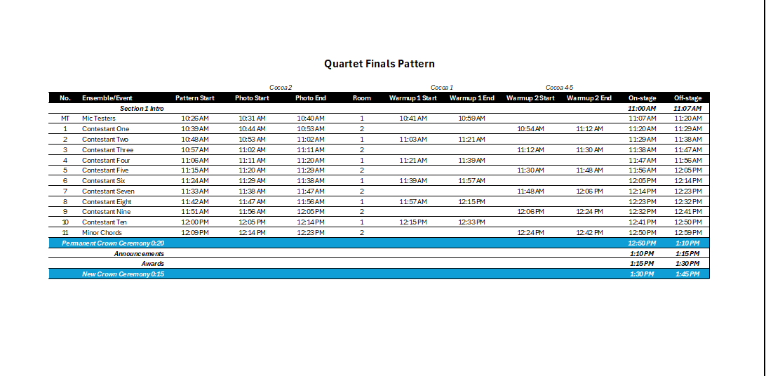
|----------- These columns don't print -----------| |  |  |  | Only this section prints || Do NOT edit any TIME in this section |  |  |  |  |  |  |  |  |  |  |  | These columns don't print |  |  | Go to Print Preview to see what prints
 |  |  |  |  |  |  |  |  |  |  |  |  |  |  |  | This is where times are entered.
 |  |  |  | Quartet Finals Pattern
 |  |  |  |  |  |  |  |  |  |  |  |  |  |  |  | PARAMETERS
 |  |  |  |  |  |  | Cocoa 2 |  |  | Cocoa 1 |  | Cocoa 4-5 |  |  |  | Start Time | 11:00:00
Event | Section | Duration | Sequence | No. | Ensemble/Event | Pattern Start | Photo Start | Photo End | Room | Warmup 1 Start | Warmup 1 End | Warmup 2 Start | Warmup 2 End | On-stage | Off-stage | MT_onstage | 0:13:00
Emcee | A | 0:05:00 | 10 |  | Section 1 Intro |  |  |  |  |  |  |  |  | 11:00:00 | 11:05:00 | Onstage Duration | 0:09:00
Performance | A | 0:13:00 | 15 | MT | MT: BACKSTAGE PASS | 10:24:00 | 10:29:00 | 10:38:00 | 1 | 10:39:00 | 10:57:00 |  |  | 11:05:00 | 11:18:00 | Emcee Intro | 0:05:00
Performance | A | 0:09:00 | 20 | 1 | SweetLife | 10:37:00 | 10:42:00 | 10:51:00 | 2 |  |  | 10:52:00 | 11:10:00 | 11:18:00 | 11:27:00 | Perm Crown | 0:20:00
Performance | A | 0:09:00 | 25 | 2 | Legacy | 10:46:00 | 10:51:00 | 11:00:00 | 1 | 11:01:00 | 11:19:00 |  |  | 11:27:00 | 11:36:00 | New Crown | 0:15:00
Performance | A | 0:09:00 | 30 | 3 | Velvet Crush | 10:55:00 | 11:00:00 | 11:09:00 | 2 |  |  | 11:10:00 | 11:28:00 | 11:36:00 | 11:45:00 | Announcements | 0:05:00
Performance | A | 0:09:00 | 35 | 4 | Just Sayin' | 11:04:00 | 11:09:00 | 11:18:00 | 1 | 11:19:00 | 11:37:00 |  |  | 11:45:00 | 11:54:00 | Award | 0:15:00
Performance | A | 0:09:00 | 40 | 5 | Emerald | 11:13:00 | 11:18:00 | 11:27:00 | 2 |  |  | 11:28:00 | 11:46:00 | 11:54:00 | 12:03:00
Performance | A | 0:09:00 | 45 | 6 | Vivace | 11:22:00 | 11:27:00 | 11:36:00 | 1 | 11:37:00 | 11:55:00 |  |  | 12:03:00 | 12:12:00
Performance | A | 0:09:00 | 50 | 7 | Synergy | 11:31:00 | 11:36:00 | 11:45:00 | 2 |  |  | 11:46:00 | 12:04:00 | 12:12:00 | 12:21:00 | Reverse Pattern:
Performance | A | 0:09:00 | 55 | 8 | Intonations | 11:40:00 | 11:45:00 | 11:54:00 | 1 | 11:55:00 | 12:13:00 |  |  | 12:21:00 | 12:30:00 | Walk to stage | 0:08:00
Performance | A | 0:09:00 | 60 | 9 | High Gear | 11:49:00 | 11:54:00 | 12:03:00 | 2 |  |  | 12:04:00 | 12:22:00 | 12:30:00 | 12:39:00 | In Warmup Room | 0:18:00
Performance | A | 0:09:00 | 65 | 10 | Blue Phoenix | 11:58:00 | 12:03:00 | 12:12:00 | 1 | 12:13:00 | 12:31:00 |  |  | 12:39:00 | 12:48:00 | Walk to warm up | 0:01:00
Performance | A | 0:09:00 | 70 | 11 | Minor Chords | 12:07:00 | 12:12:00 | 12:21:00 | 2 |  |  | 12:22:00 | 12:40:00 | 12:48:00 | 12:57:00 | In Photo Room | 0:09:00
perm_crown | B | 0:20:00 | 90 |  | Permanent Crown Ceremony 0:20 |  |  |  |  |  |  |  |  | 12:48:00 | 13:08:00 | Pattern Start | 0:05:00
Announcements | B | 0:05:00 | 100 |  | Announcements |  |  |  |  |  |  |  |  | 13:08:00 | 13:13:00 | Pattern Duration | 0:41:00
Awards | B | 0:15:00 | 120 |  | Awards |  |  |  |  |  |  |  |  | 13:13:00 | 13:28:00
new_crown | B | 0:15:00 | 130 |  | New Crown Ceremony 0:15 |  |  |  |  |  |  |  |  | 13:28:00 | 13:43:00 | Photo Room: | Cocoa 2
 |  |  |  |  |  |  |  |  |  |  |  |  |  |  |  | Warmup Room 1 | Cocoa 1
 |  |  |  |  |  |  |  |  |  |  |  |  |  |  |  | Warmup Room 2 | Cocoa 4-5

 |  |  |  |  |  |  |  |  |  |  |  |  |  |  |  | ODD sequence = Warmup 1
 |  |  |  |  |  |  |  |  |  |  |  |  |  |  |  | EVEN sequence = Warmup 2

 |  |  |  |  |  |  |  |  |  |  |  |  |  |  |  | Section Duration: |  | Performers
 |  |  |  |  |  |  |  |  |  |  |  |  |  |  |  | A | 1:57:00 | 12
 |  |  |  |  |  |  |  |  |  |  |  |  |  |  |  | B | 0:55:00 | 0
 |  |  |  |  |  |  |  |  |  |  |  |  |  |  |  | C | 0:00:00 | 0
 |  |  |  |  |  |  |  |  |  |  |  |  |  |  |  | D | 0:00:00 | 0
 |  |  |  |  |  |  |  |  |  |  |  |  |  |  |  | E | 0:00:00 | 0
 |  |  |  |  |  |  |  |  |  |  |  |  |  |  |  | Active Events | 2:52:00 | 12
 |  |  |  |  |  |  |  |  |  |  |  |  |  |  |  | Breaks | 0:00:00
 |  |  |  |  |  |  |  |  |  |  |  |  |  |  |  | Total Duration | 2:52:00

